Bug Report
Defect Report |  | Defect Report |  | Defect Report
 |  |  |  |  |  | Defect Report
 |  |  |  |  |  |  |  | Defect Report

Release | V.1.0 | Release | V.1.0 | Release | V.1.0
Title | User is not able to signup if he enter first name with three charecters | Title | the loation of the loader bar is not correct | Title | no availaible task message appear when adding more than 5 tasks | Release | V.1.0
Description |  | Description |  | Description |  | Title | When the first name is equal to two charecters it does not return user it print that name | Release | V.1.0
Steps | 1-Enter first name with three charecters "AHM" 2- fill a correct last name 3- fill correct email and email is not registered in the data based 4-fill a correct password 5- fill a correct confirm password 6- click on signup button | Steps | 1- go to login page 2-fill the email 3- fill the password 4-click on login | Steps | 1- open task page 2- add more than 5 task | Description |  | Title | The browser user interface does not work correctly on mobile browser
Expected Results | Should signup correctly | Expected Results | the loader should appear in the correct location | Expected Results | no available task message should not appear | Steps | 1- login to a register user 2-open developer tools 3- Change name from local storage 4- Refresh the page | Description
Actual Result | this error message appeared :First Name is required, and it should be more than 3 characters | Actual Result | the loader appearead in wrong location | Actual Result | no available task message appeared | Expected Results | Should change the name to user | Steps | 1- open the web page from a mobile phone
Environment | Chrome v97 | Environment | Chrome V.97 | Environment | chrome v9.7 | Actual Result | Show the name of two charecters | Expected Results | Should change the name to user
Screenshot / Video | 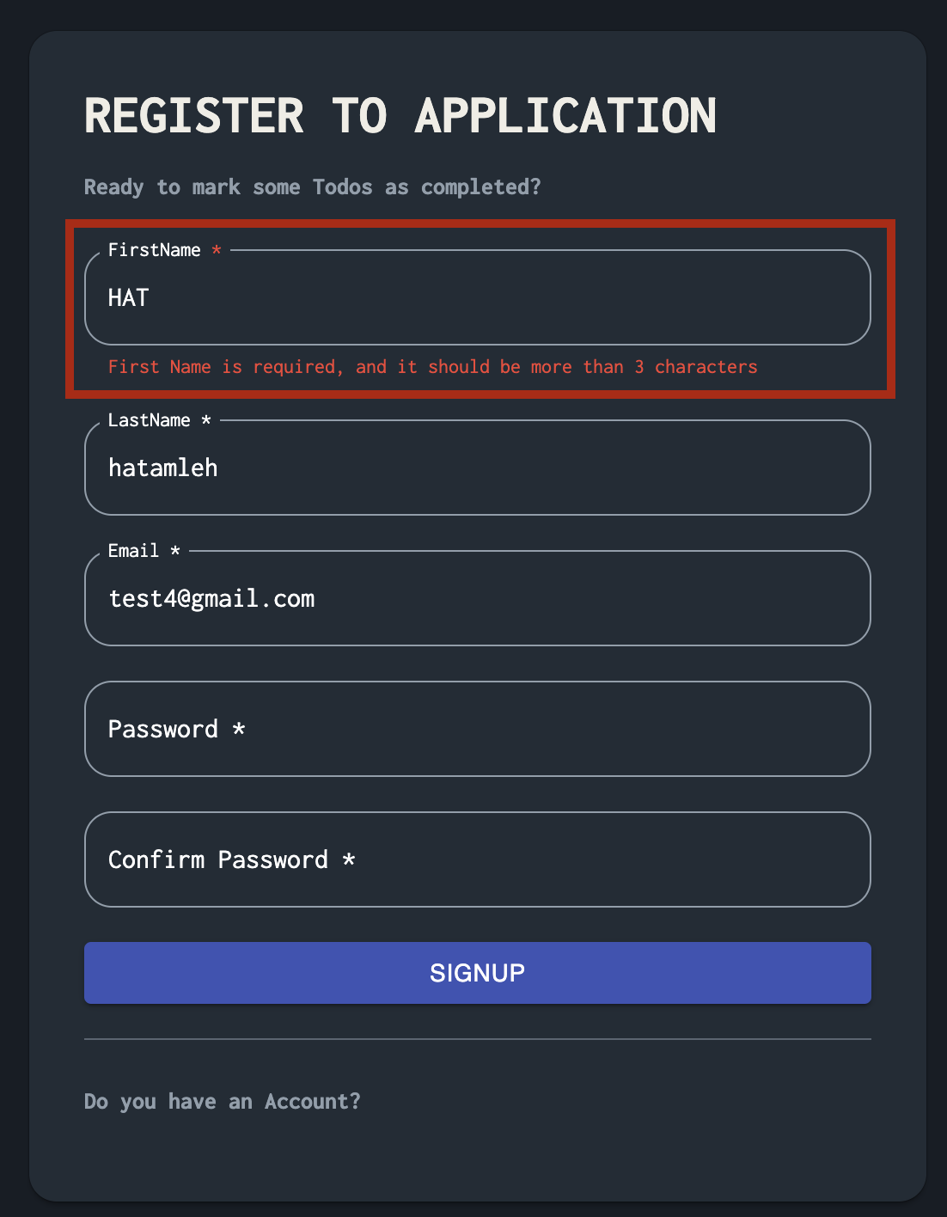 | Screenshot / Video | 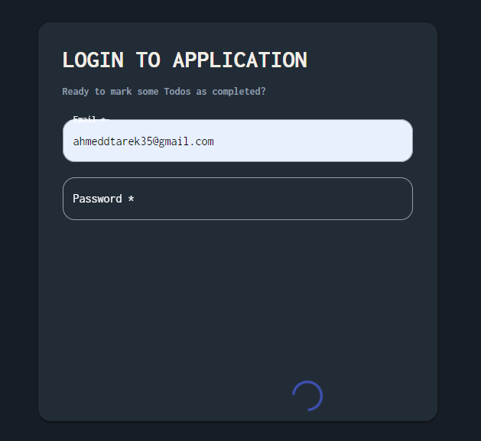 | Screenshot / Video | 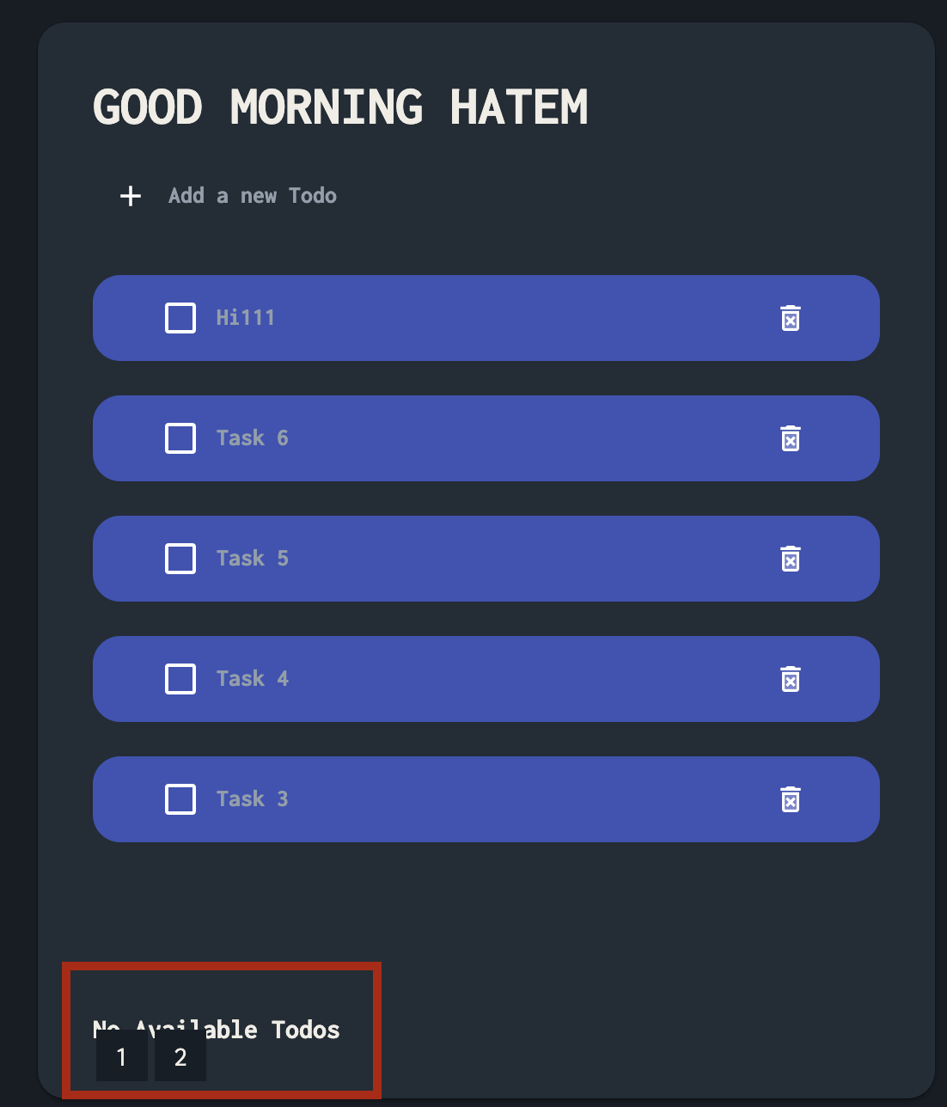 | Environment | Chrome v97 | Actual Result | the screen should appear in a correct view
Rate | 2022-05-05 | Rate | 2022-05-05 | Rate | 2022-05-05 | Screenshot / Video | 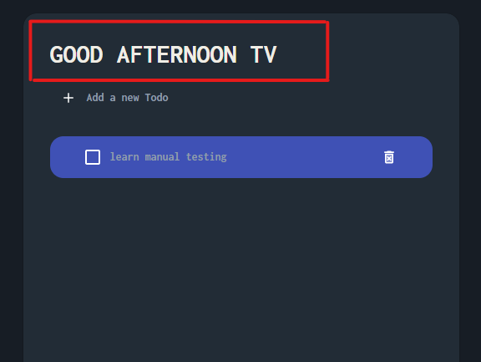 | Environment | Chrome v97
Priority | Medium | Priority | medium | Priority | High | Rate | 2022-05-05 | Screenshot / Video | 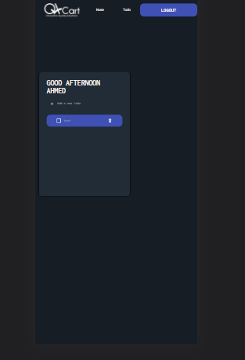
Status | open | Status | open | Status | open | Priority | Medium | Rate | 2022-05-05
© Copy rights for QAcart 2022 |  | © Copy rights for QAcart 2022 |  | © Copy rights for QAcart 2022 |  | Status | open | Priority | high
 |  |  |  |  |  | © Copy rights for QAcart 2022 |  | Status | open
 |  |  |  |  |  |  |  | © Copy rights for QAcart 2022

